calculate
Week | Sorting Control |  | Date
10 | 1

Total Calls | 364
Calls Answered | 296
Avg Speed of Answer | 56.09
Abandon Rate | 0.19 |  | week #10
Avg Call/Min | 0.1
Satisfaction Overall | 3.31
Calls of Less than 180 Seconds | 126 |  | 2015-03-09
%Calls of Less than 180 Seconds | 0.43
Satisfaction Less thans Equal to 3 | 166

Agent Name | Total Calls | Calls Answered | Avg Speed | Calls Resolution % | Calls Resolved |  | sroting
Diane | 51 | 40 | 51.69 | 0.71 | 36 |  | 51 | 51.000001 | 55.000005 | 1 | Diane | 51 | 40 | 51.68627451 | 0.70588235294
Becky | 44 | 37 | 49.86 | 0.73 | 32 |  | 44 | 44.000002 | 51.000001 | 2 | Becky | 44 | 37 | 49.863636364 | 0.72727272727
Stewart | 35 | 29 | 55.17 | 0.77 | 27 |  | 35 | 35.000003 | 48.000008 | 3 | Stewart | 35 | 29 | 55.171428571 | 0.77142857143
Greg | 47 | 37 | 59.62 | 0.74 | 35 |  | 47 | 47.000004 | 47.000004 | 4 | Greg | 47 | 37 | 59.617021277 | 0.74468085106
Jim | 55 | 42 | 49.40 | 0.67 | 37 |  | 55 | 55.000005 | 44.000002 | 5 | Jim | 55 | 42 | 49.4 | 0.67272727273
Joe | 42 | 32 | 59.57 | 0.74 | 31 |  | 42 | 42.000006 | 42.000007 | 6 | Joe | 42 | 32 | 59.571428571 | 0.7380952381
Martha | 42 | 37 | 64.02 | 0.81 | 34 |  | 42 | 42.000007 | 42.000006 | 7 | Martha | 42 | 37 | 64.023809524 | 0.80952380952
Dan | 48 | 42 | 61.40 | 0.75 | 36 |  | 48 | 48.000008 | 35.000003 | 8 | Dan | 48 | 42 | 61.395833333 | 0.75

Satisfaction Chat
 | 50 | 64.283783784
 | 20 | 2
 | 30 | 133.71621622
 | 100

Name | Mon | Tue | Wed | Thur | Frid | Sat | Sun
Diane | 6 | 7 | 14 | 20 | 23 | 32 | 36
Becky | 3 | 7 | 13 | 16 | 24 | 27 | 32
Stewart | 4 | 8 | 14 | 20 | 23 | 23 | 27
Greg | 7 | 12 | 19 | 22 | 26 | 28 | 35
Jim | 2 | 5 | 11 | 19 | 22 | 32 | 37
Joe | 3 | 9 | 18 | 25 | 26 | 28 | 31
Martha | 5 | 6 | 14 | 16 | 24 | 29 | 34
Dan | 2 | 9 | 16 | 20 | 26 | 31 | 36

 | Total Call | Call Answered | Abandoned % | SLA Limit | SLA Breached
WashinG Machine | 68 | 55 | 19.12% | 20% | FALSE
Toaster | 67 | 53 | 20.90% | 20% | 0.20895522388
Fridge | 76 | 61 | 19.74% | 20% | FALSE
Air Conditioner | 79 | 66 | 16.46% | 20% | FALSE
Television | 74 | 61 | 17.57% | 20% | FALSE

Agent Name | Satisfaction Score | Target
Diane | 3.48 | 3.5 | Diane
Becky | 3.76 | 3.5
Stewart | 4.79 | 3.5
Greg | 3.76 | 3.5
Jim | 3.31 | 3.5
Joe | 4.34 | 3.5
Martha | 3.76 | 3.5
Dan | 3.31 | 3.5
☺

 | Diane
 | ☺ Becky
 | ☺ Stewart
 | ☺ Greg
 | Jim
 | ☺ Joe
 | ☺ Martha
 | Dan

Sheet2
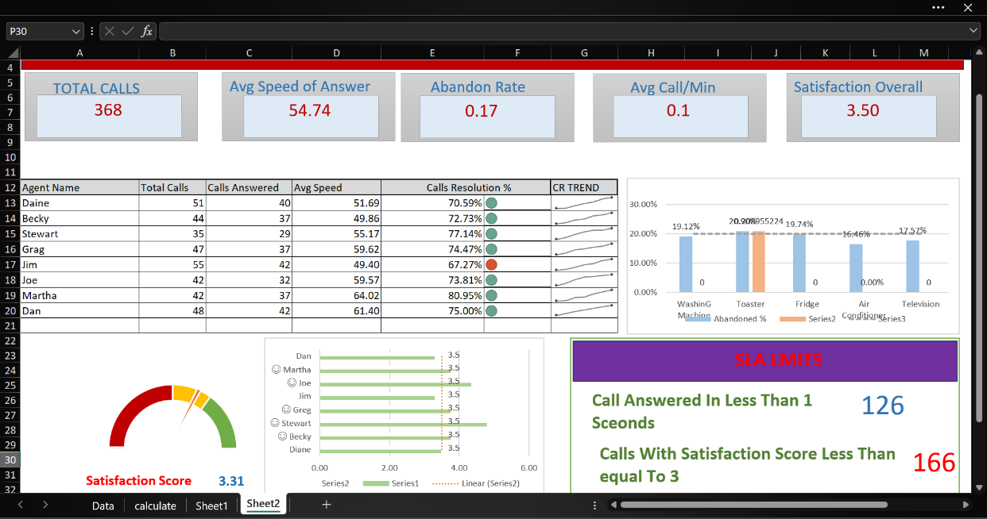
week #10

TOTAL CALLS
Avg Speed of Answer
Abandon Rate
Avg Call/Min
Satisfaction Overall

368
54.74
0.17
0.1
3.50

 | Abandoned %
WashinG Machine | 19.12% | 0 | 20%
Toaster | 20.90% | 0.20895522388 | 20%
Fridge | 19.74% | 0 | 20%
Air Conditioner | 16.46% | 0 | 20%
Television | 17.57% | 0 | 20%
Agent Name | Total Calls | Calls Answered | Avg Speed | Calls Resolution % |  | CR TREND
Daine | 51 | 40 | 51.69 | 70.59% | 0.71
Becky | 44 | 37 | 49.86 | 72.73% | 0.73
Stewart | 35 | 29 | 55.17 | 77.14% | 0.77
Grag | 47 | 37 | 59.62 | 74.47% | 0.74
Jim | 55 | 42 | 49.40 | 67.27% | 0.67
Joe | 42 | 32 | 59.57 | 73.81% | 0.74
Martha | 42 | 37 | 64.02 | 80.95% | 0.81
Dan | 48 | 42 | 61.40 | 75.00% | 0.75

 | 50
 | 20
 | 30
 | 100
 | 64.283783784
 | 2
 | 133.71621622
Diane | 3.48 | 3.5
☺ Becky | 3.76 | 3.5
☺ Stewart | 4.79 | 3.5
☺ Greg | 3.76 | 3.5
Jim | 3.31 | 3.5
☺ Joe | 4.34 | 3.5
☺ Martha | 3.76 | 3.5
Dan | 3.31 | 3.5
SLA LMITS

Call Answered In Less Than 1 Sceonds
126

Calls With Satisfaction Score Less Than equal To 3
166

Satisfaction Score
3.31

